Sheet1
Sr. No. | Item Description | Size | Make/Brand | Material | Colour | Unit | Picture | QTY | final Price

A | House-Keeping Tools / Eqpts. / Accessories
1 | Mop - Dry (full set) metal frame | 24" | Gala or Taj | Heavy Duty Steel Handle | Blue White | Nos. | 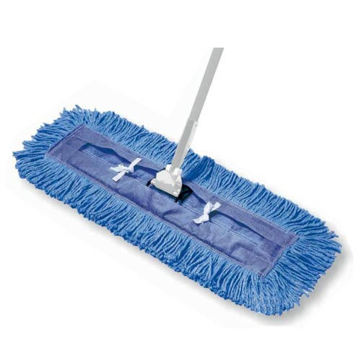 | 1 | 253
2 | Mop - Dry (metal bracket assembly) | 24" | Gala or taj |  | blue red | Nos. | 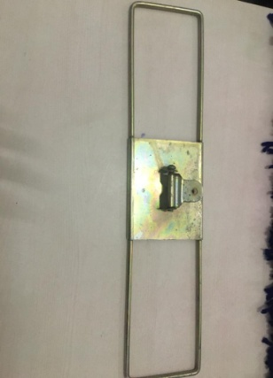 | 1 | 140
3 | Mop - Dry (refill) (cotton cloth above refill & silicon blue White refill) | 24" | Gala or TAJ |  | blue & White | Nos. | 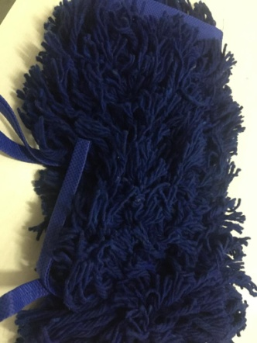 | 1 | 120
4 | Mop - Wet (full set) metals | 6" / 8 " | Gala or TAJ | Heavy Duty Steel Handle | White | Nos. | 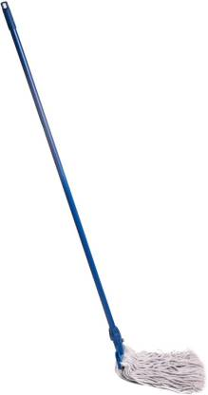 | 1 | 244
5 | Mop - Wet (bracket assembly) metal & plastic | 6" / 8" | Gala or TAJ |  |  | Nos. | 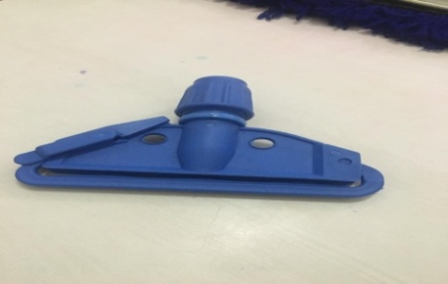 | 1 | 46
6 | Mop - Wet (refill) 300gms | 6" | Gala or TAJ |  |  | Nos. | 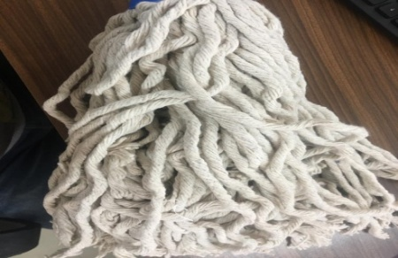 | 1 | 64
7 | Broom - Soft (plastic washable Broom ) | 94 x 7 x 3 cm | jambo/maharaj /kbc/jammuu | Plastic Handle | pink/blue | Nos. | 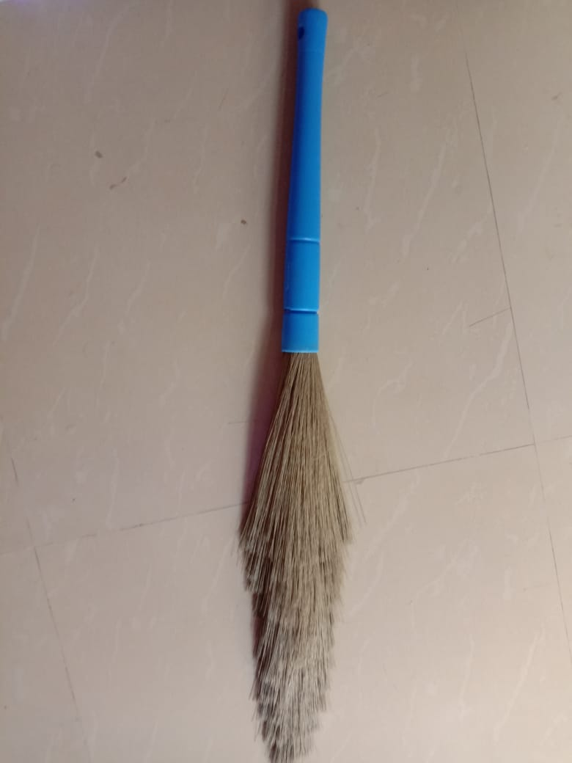 | 1 | coco-55 / plastic-90
8 | Broom - Hard (coco-broom/kharata) 400gm | small | jambo/maharaj /kbc/jammuu | coco broom |  | Nos. | 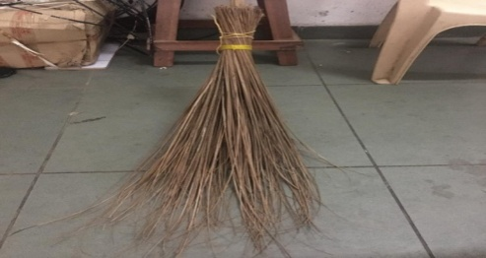 | 1 | 30
9 | Broom - Hard (coco-broom/kharata) 600 gm | big | jambo/maharaj /kbc/jammuu | coco broom |  | Nos. |  | 1 | 40
10 | Brush - Soft (for Carpet) | 34 x 6 x 7 cm | Generic | Plastic Handle & wooden |  | Nos. | 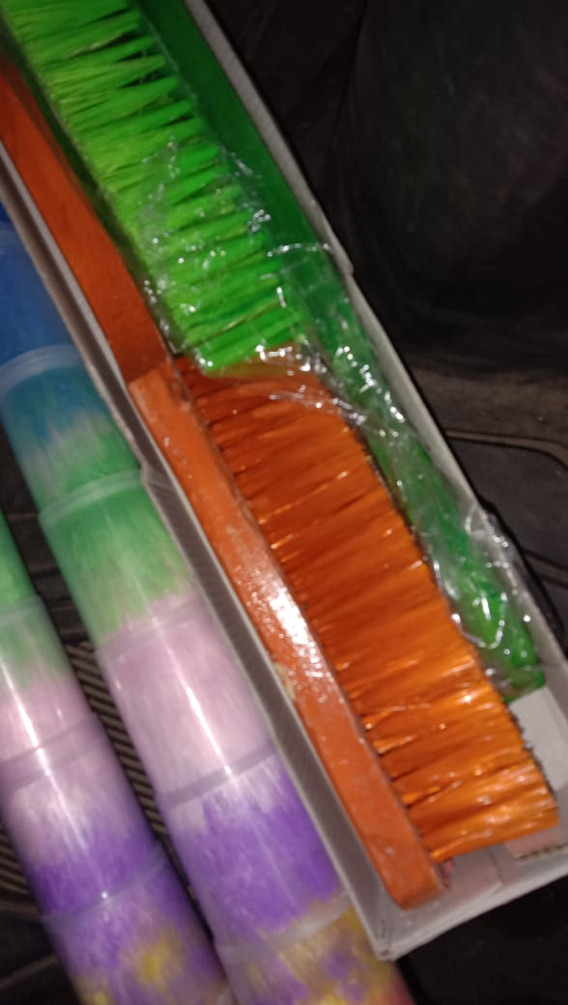 | 1 | -
11 | Brush - Hard (for Carpet) | 34 x 6 x 7 cm | Generic | Plastic Handle & wooden |  | Nos. | 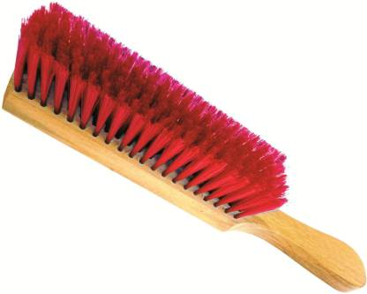 | 1 | 65
12 | Brush-Corner | small | Generic | Plastic Handle fibre handle |  | Nos. | 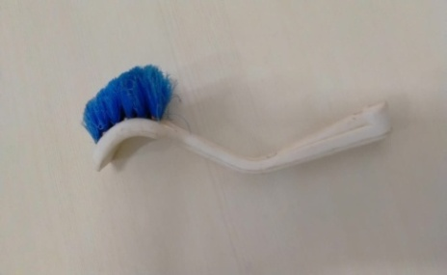 | 1
13 | Brush-Cobweb/fan | Round | Generic | Plastic Handle & metal handle |  | Nos. | 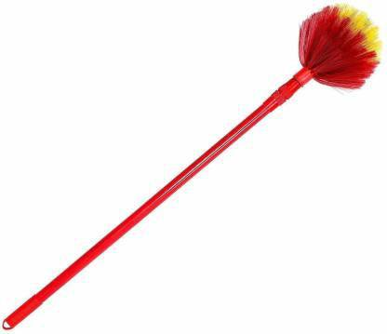 | 1
14 | Feather duster brush C*cover | 20 X 7 X 3 CM | Generic | Plastic Handle |  | Nos. | 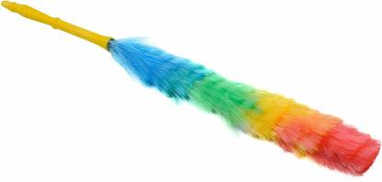 | 1 | 130/
15 | T-Brush / cofit brush | 18" | Generic | Heavy Duty Steel Handle & wooden brush | Red | Nos. | 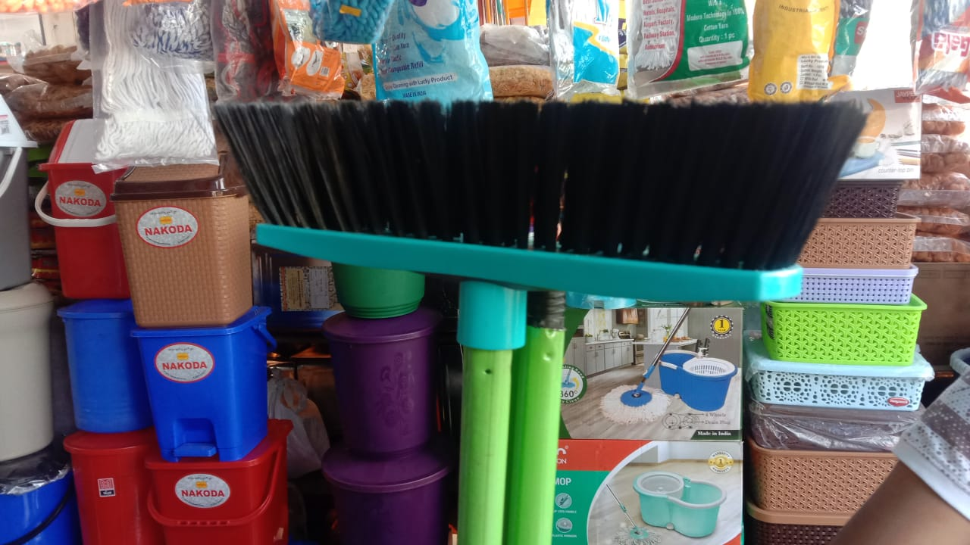 | 1 | 205
16 | Wire-Brush | 12" | Generic | Wooden Handle |  | Nos. | 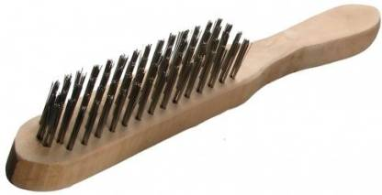 | 1
17 | Hockey Toilet Brush | 2.3 x 19" | Generic | Plastic Handle & fibre handle |  | Nos. | 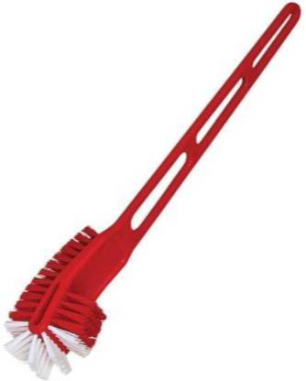 | 1 | 65
18 | Round Toilet Brush | 18" Lg | Generic | Plastic Handle & fibre Handel |  | Nos. | 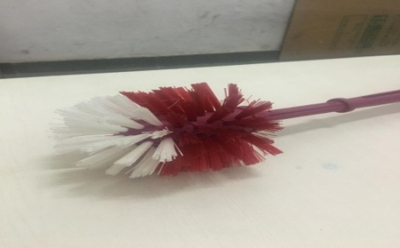 | 1 | 65
19 | Telescopic Extension Cleaning Pole/Rod | 1.1 - 6.0 Mtr |  | Aluminium |  | Nos. |  | 1
20 | Floor Wiper (fixed rod metal) & wooden front part | 18" | Generic | Heavy Duty Steel Handle |  | Nos. | 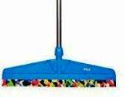 | 1 | 400
21 | Chock-Up Plunger (toilet) | 4" dia. X 1'0" Lg. | Generic | Plastic Handle |  | Nos. | 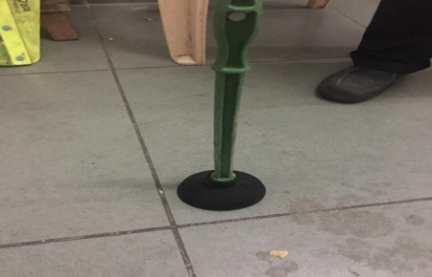 | 1 | 45
22 | Palti Patra Putty Knife (heavy) | 6" | Generic | Iron/steel |  | Nos. | 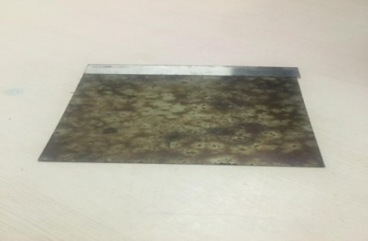 | 1
23 | Duster-Cotton (checks design) | medium | Generic | Cotton | Blue | Nos. |  | 1 | 10
24 | Duster-Cotton (checks design) | large | Generic | Cotton | Red | Nos. |  | 1 | 13
25 | Duster - Microfibre Soft Cloth | 27" x 29" | Generic | Microfibre | Yellow | Nos. |  | 1 | 59
26 | Sponge | 100 x 60 x 20 mm | Generic |  | White | Nos. | 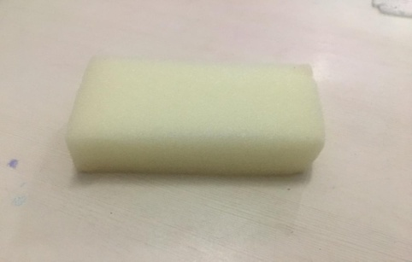 | 1 | 9
27 | Scrub 3*4 / 4*6 | 4.5" x 2.7" x 0.6" | Scotch Bright or equivalent | Heavy Duty | Green | Nos. | 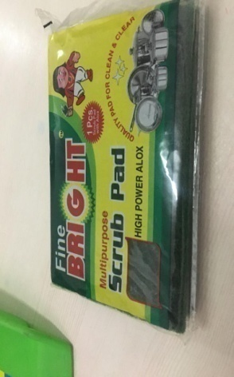 | 1 | 2021-12-14
28 | Scrub Disc Pad ROUND | 17" | Scotch Bright or equivalent | Heavy Duty | Green | dozen |  | 1 | 101
29 | Spray bottle (to spray cleaning liquid) 500ml / 750ml/ 1ltr | 250 ml , 750ml , 1ltr | Generic | Plastic | white | Nos. | 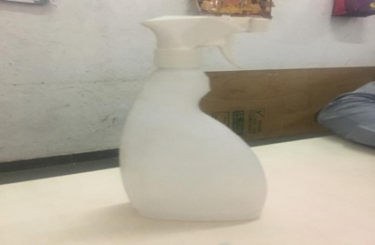 | 1 | 83/ - /-
30 | glass wiper (steel) |  | gala or Taj |  |  | Nos. | 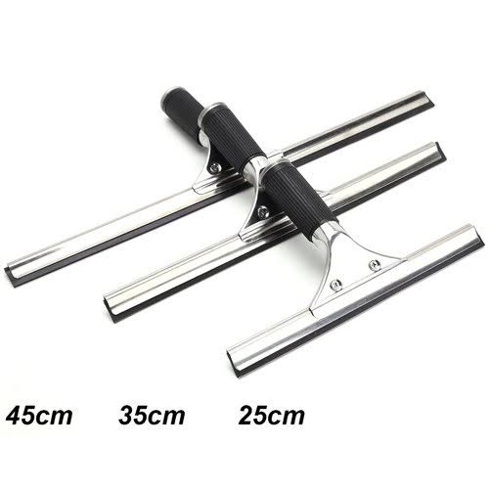 | 1 | 193
31 | glass squeezer (steel) |  | gala or Taj |  |  | nos. | 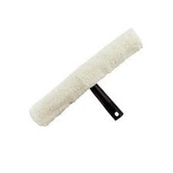 | 1 | 193

B | Chemicals / Cleaning Liquids |  |  |  |  |  |  | 1
1 | Acid - Diluted Hydrocholic | 1 Ltr Bottle | Generic |  |  | Nos. |  | 1
2 | Bleaching Powder | 1 Kg Packet | Generic |  |  | 25kg paking |  | 1 | 35 / 1kg price 50rs
3 | Toilet Cleaner Liquid | 1 Ltr Bottle | clexol |  |  | NOs. |  | 1 | 400
4 | Cleaning Chemical - D7 (steel cleaning) | 5 Ltr Can | Taski or satol |  |  | NOs. |  | 1 | 2441 / 980
5 | Cleaning Chemical - R1 / S1. (bathroom cleaning) | 5 Ltr Can | Taski or satol |  |  | NOs. |  | 1 | 1767 / 649
6 | Cleaning Chemical - R2 / S2 (flor cleaning) | 5 Ltr Can | Taski or satol |  |  | NOs. |  | 1 | 2088 / 626
7 | Cleaning Chemical - R3 /S3 (glass/mirror cleaning) | 5 Ltr Can | Taski or satol |  |  | NOs. |  | 1 | 2096 / 433
8 | Cleaning Chemical - R4 / S4 (wood srfce cleaning) | 5 Ltr Can | Taski or satol |  |  | NOs. |  | 1 | 3232 / 1371
9 | Cleaning Chemical - R5 / S5 (room freshner) | 5 Ltr Can | Taski or satol |  |  | NOs. |  | 1 | 1649 / 700
10 | Cleaning Chemical - R6 / S6 (toilet cleaning) | 5 Ltr Can | Taski or satol |  |  | 5ltrs. |  | 1 | 1751 / 649
11 | Utensil Cleaning Liquid Detergent | 1 Ltr Bottle | VIM |  |  | Nos. |  | 1
12 | Detergent Powder | 1 Kg Packet | NIRMA or equivalent |  |  | Nos. |  | 1
13 | Phenyl | 1 Ltr Bottle | SUNNY |  |  | NOs. |  | 1 | 150
14 | Phenyl WHITE / GREEN | 5LTR CAN | SUUNY |  |  | NOs. |  | 1 | 165 / 450
15 | Hand Wash Liquid | 5 Ltr Can / 250ml | clexol / setol |  |  | Nos. |  | 1 | 350 /. 488 / 60
16 | urinal screens with natural fragrance |  |  |  | orange | NOs. |  | 1 | 60
17 | scented cubes 150gms / 260gms |  |  |  | White | NOs. |  | pkt | 30 / 110
18 | naphthalene balls 1kg |  |  |  |  | Nos. |  | pkt | 202

C | P P E |  |  |  |  |  |  | 1
1 | Face Mask |  |  |  | GREEN | NOs. | 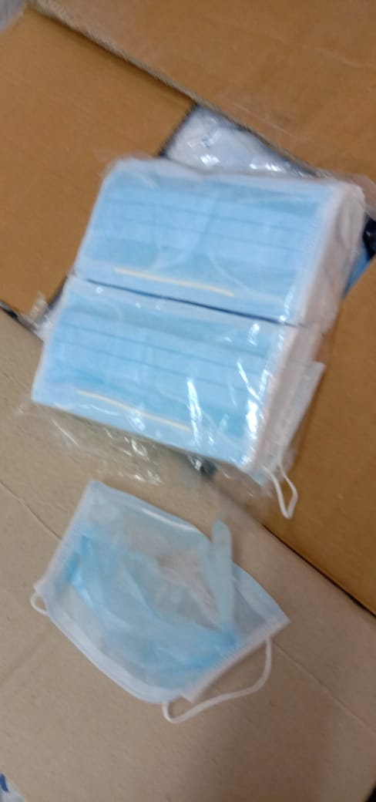 | 1 | 4.5
2 | Hand Gloves for Gen. Use |  |  | Latex, Rubber | Blue , black , red , yellow | Nos. | 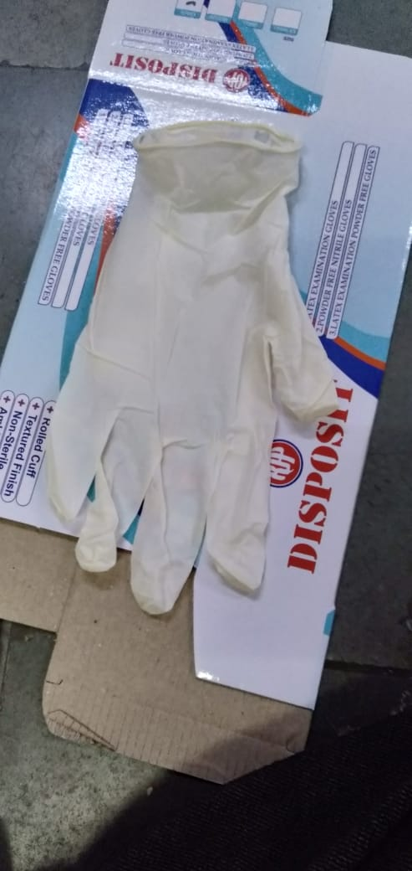 | 1 | 60
3 | Hand Gloves for Toilet/ whashroom (HEAVY large) |  |  | Latex, Rubber | Yellow | Nos. |  | 1 | 120
4 | Safety Goggles |  | Generic | Plastic | Transparent | Nos. |  | 1
 |  |  |  |  |  |  |  | 1
D | Waste Management |  |  |  |  |  |  | 1
1 | Dust Pan |  | Prince or equivalent | Plastic -& fibre |  | Nos. | 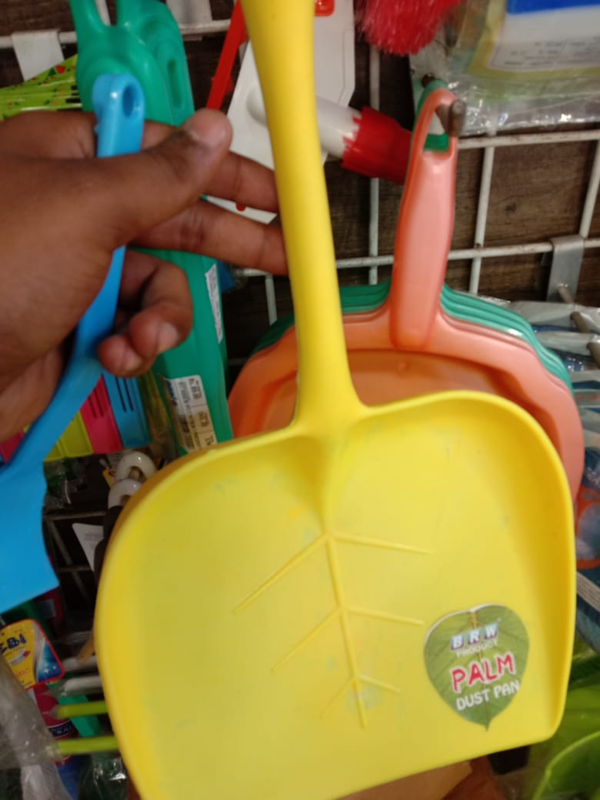 | 1 | 46
2 | Dust Bin | 100 Ltrs |  | Plastic - Heavy Duty |  | Nos. | 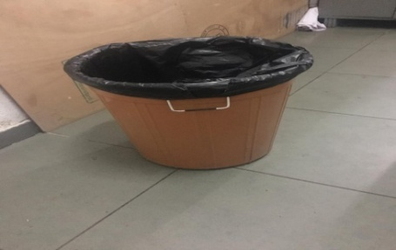 | 1
3 | Garbage Bag | 30" x 50" | Shalimar or equivalent | Plastic (above 51 Micro) | Black / yellow | Nos. | 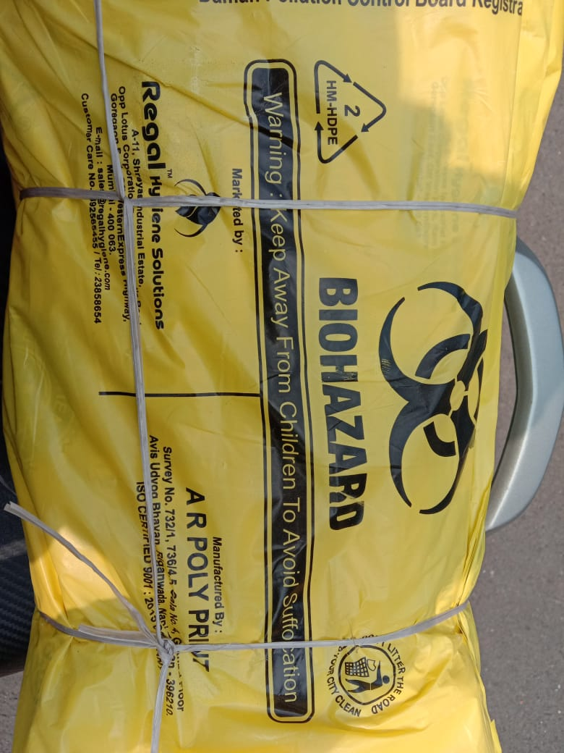 | 1 | 74
4 | Garbage Bag | 29" x 39" | Shalimar or equivalent | Plastic (above 51 Micro) | Black / yellow | Nos. |  | 1 | 45
5 | Garbage Bag | 19*21 | Shalimar or equivalent | Plastic (above 51 Micro) | Black / yellow | Nos. |  | 1 | 30
6 | Bucket | 10 Ltr cap. | Prince or equivalent | Plastic - Heavy Duty |  | Nos. |  | 1
7 | Mug | 1 Ltr cap. | Prince or equivalent | Plastic - Heavy Duty |  | Nos. |  | 1
 |  |  |  |  |  |  |  | 1
E | Health / Environment |  |  |  |  |  |  | 1
1 | Air Freshner Bottle ( all types flavour ) | 250 ml | Godrej or air |  |  | Nos. |  | 1 | 90 / 120 / 200
2 | Air Freshner Dispenser |  | Godrej or equivalent |  | White | Nos. | 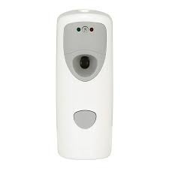 | 1 | 750 to 4000
3 | Air Freshner Dispenser - Refill (250ml ) | 250 ml | Godrej or air |  |  | Nos. | 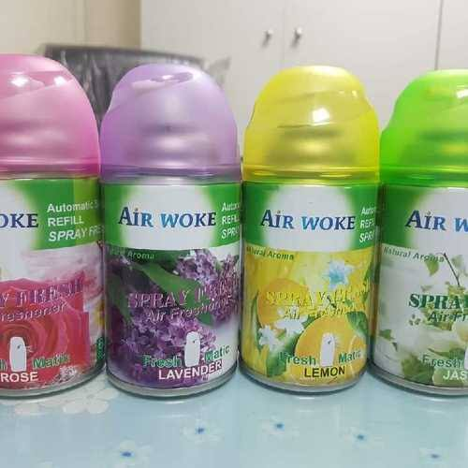 | 1 | 310 / 400
4 | Hit Spray 200ml | 250ml | Godrej or equivalent |  | Red | Nos. |  | 1 | 99
5 | Hit Spray 200ml | 250ml | Godrej or equivalent |  | Black | Nos. |  | 1 | 99
6 | odonil 50gms | 50gms | odonil |  |  |  |  |  | 30
6 | Sanitizer | 5ltr can | 99% ipa- iso propylene alcohol & 70 %Alcoholic | GEL | blue / pink | Nos. | 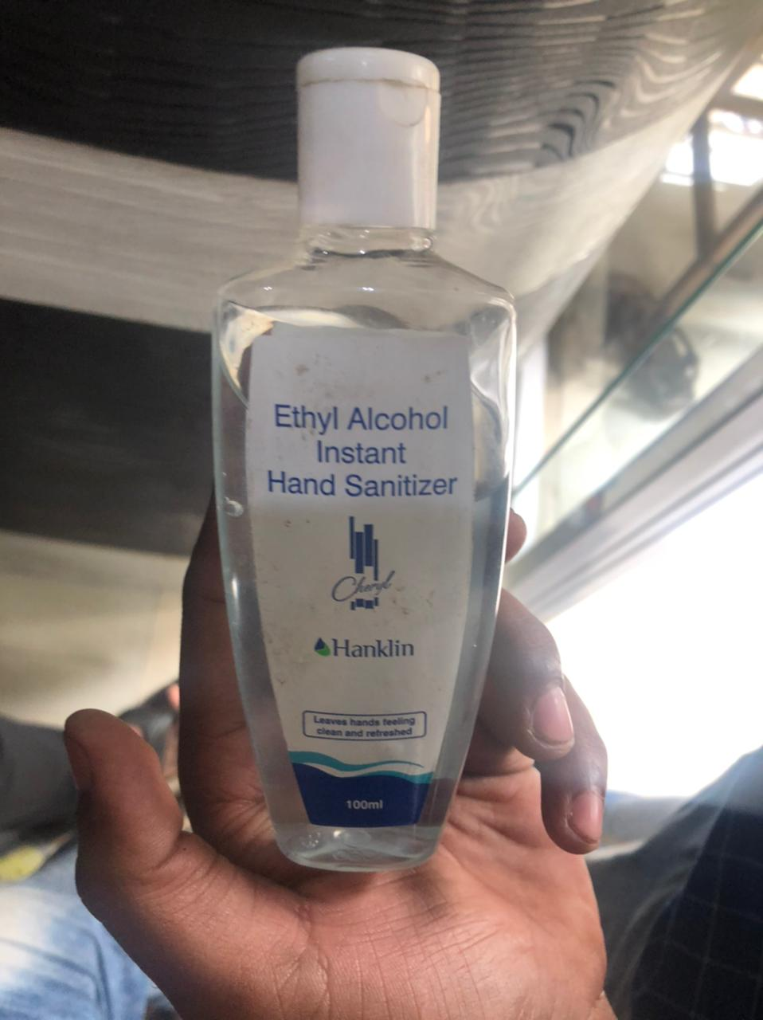 | 1 | 690 / 590
 |  |  |  |  |  |  |  | 1
F | Stationary |  |  |  |  |  |  | 1
1 | A4 Paper | A4 | B2B | 70 (GSM) | White | Pkt. |  | 1 | 190 + 12% GST
2 | A4 Paper | A4 | EASY copier | (70GSM)( 75gsm) | White | Pkt. | 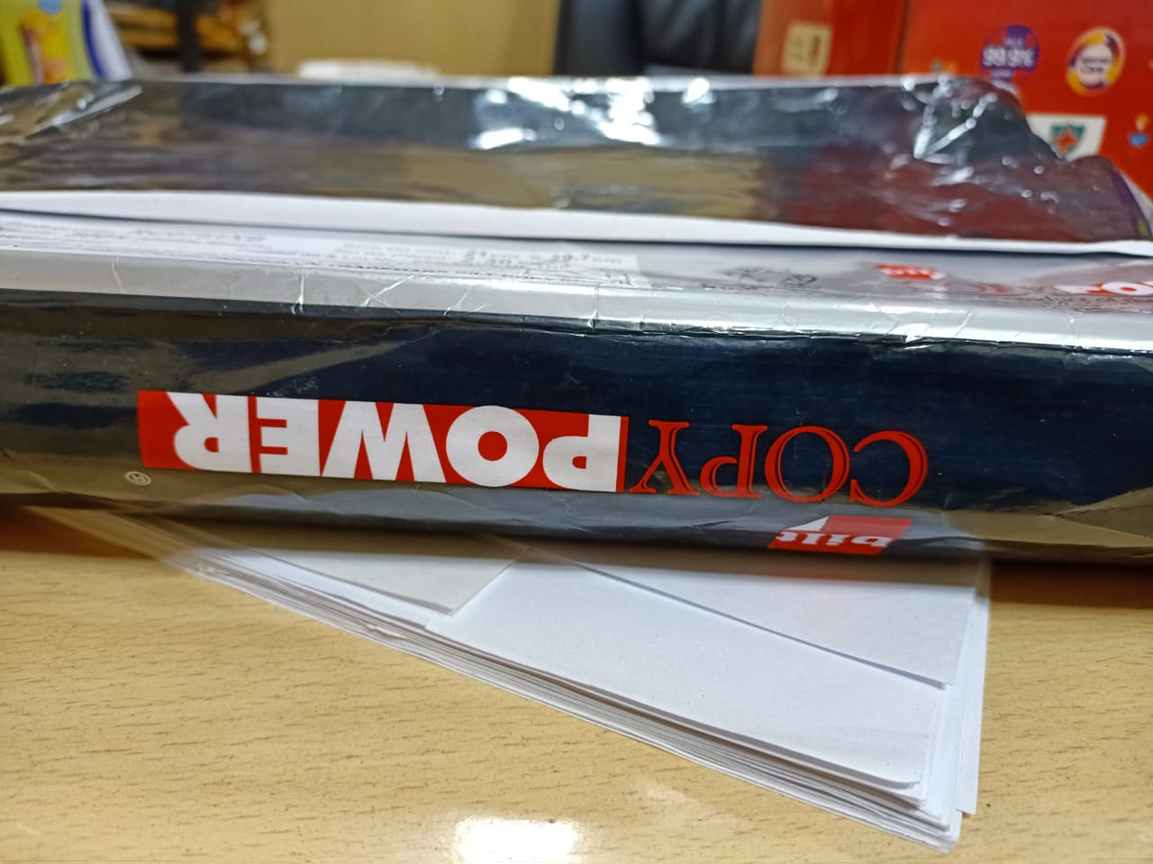 | 1 | 155 /180 + 12% GST

